Sheet1
what | Data Mining | Every day data exponentially grows; Analyse enormous data and get preferred results are called Data Mining; like get few grams of gold from acres of mining; |  |  | 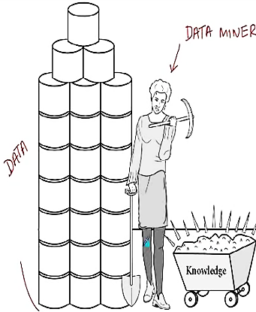
comp | Data mining | -- Statistics -- Machine Learning -- Informational Retrieval ( Web Mining) -- Distributed Computing -- Database Systems
 |  |  |  | 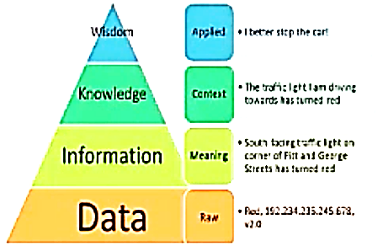

what | Informational Retrieval | retrieve RELEVANCE data, according to my INFORMATION NEED from large data repo CORPUS
comp | Informational Retrieval | -- CORPUS -- INFORMATION NEED -- RELEVANCE
what | Corpus | Large source of data stored repo
what | Information Need | the information need is in form of a QUERY, should be applied on Corpus
what | Relevance | Preferred data returned after executing quey on corpus
what | Structure Data | Data stored with relations (like table) defined in Semantic Structure |  | Database System work with Structured data
what | Un-Structured Data | No clear form, No semantic structure |  | Information Retrieval is with Unstructured data

 | Business Analytics | on a RAW data, extract knowledge and use for business benefits | DATA -> INFO -> KNOWLDG -> INSIGHT -> ACTION
 | Business Analytics | -- Descriptive -- Diagnostic -- Predictive -- Prescriptive | Descriptive: represents data follows Quantitative data : statistical mesures Qualitative data : | Diagnostic: why up or down in past business; Predict : can predict and advise from past data. | Prescriptive : recommend out of predicted;

Big Data Processing
Millions or Billions of documents are need to be queried and fetch preferred data | -- Storing the entier document in form of MATRIX closely impossible. -- sparse matrix is built; most of stored data is un-preferred -- position of word, is not captured in Matrix -- Only two dimentional; means words vs document | -- instead of matrix, store only words and contains docs; -- Inverted Index ( as index presents in a book ) each word contains list of docIds
 | 